Slicing & Grouping Functions
Sum of Units | Column Labels
Row Labels | Cell Phone | Desk | Home Theater | Television | Video Games | Grand Total
2018 | 956 | 686 | 771 | 1285 | 1049 | 4747
2019 | 800 | 29 | 264 | 663 | 229 | 1985
Grand Total | 1756 | 715 | 1035 | 1948 | 1278 | 6732

## Slicers in PivotTables
🔹 What is a Slicer --- A Slicer is a visual filter tool for PivotTables (and PivotCharts). It makes Reports Interactive & dashboard-friendly.
🔹 How to Add a Slicer: Click inside PivotTable → Go to Insert → Slicer.
-- Select the fields you want slicers for (e.g., Region, Category).
-- Resize/format slicers (you can style them like buttons).
🔹 Slicer Features:
-- Multi-select → Hold Ctrl to pick multiple buttons.
-- Connect to Multiple PivotTables → Right-click slicer → Report Connections.
-- Timeline slicer (special for dates) → scrollable timeline with Year/Quarter/Month/Day levels.
👉 Use Case: Interactive dashboards where users can click to filter instead of using dropdowns.
------------------------------------------------------------------------------------------------------------------------------------
## Group Function in PivotTables
🔹 What is Grouping --- Grouping lets you combine items in your PivotTable into higher-level categories.
-- You can group:
1. Dates → Years, Quarters, Months, Weeks, Days, Hours.
2. Numbers → Into ranges (bins), e.g., 0–1000, 1001–2000.
3. Text labels → Custom groups (e.g., group “East” + “West” as “Region A”).
🔹 How to Group --- Select One or More items in PivotTable → Right-click → Group.
-- Examples
1. Dates: Sales data → group by Year & Quarter → drill down trends.
2. Numbers: Age → group into 0–20, 21–40, etc.
3. Text: Products → group “Laptop + Tablet” into “Electronics”.
✨ Slicer vs Group — When to Use?
-- Slicer → For filtering & interactive dashboards.
-- Grouping → For organizing data into logical buckets.
------------------------------------------------------------------------------------------------------------------------------------

Pivot Charts
 | Cell Phone | Desk | Television | Video Games
Jan | 184 |  |  | 18
Feb | 62 | 77 | 208
Mar |  | 151 | 181
Apr |  | 65
May | 94 |  | 77 | 113
Jun | 169 | 32 | 315
Jul | 170 |  |  | 159
Aug | 45 |  |  | 114
Oct |  |  | 111 | 179
Nov |  | 179
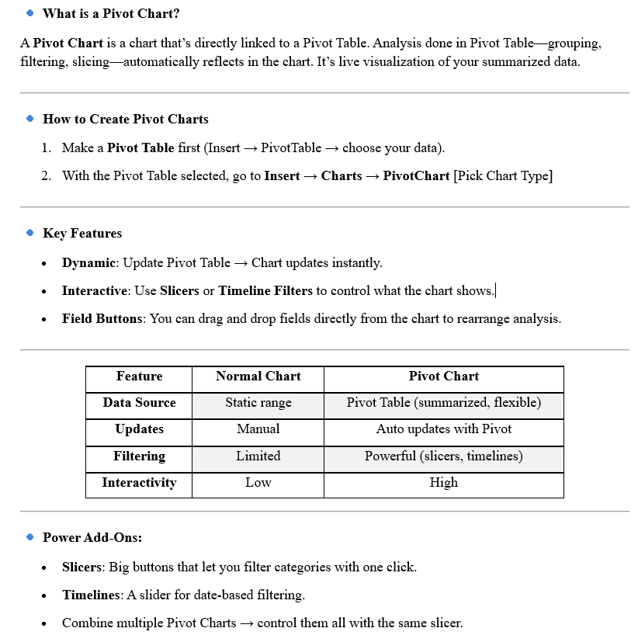
 | Pivot Charts

Sum of Units | Column Labels
Row Labels | Cell Phone | Desk | Television | Video Games | Grand Total
Jan | 184 |  |  | 18 | 202
Feb | 62 | 77 | 208 |  | 347
Mar |  | 151 | 181 |  | 332
Apr |  | 65 |  |  | 65
May | 94 |  | 77 | 113 | 284
Jun | 169 | 32 | 315 |  | 516
Jul | 170 |  |  | 159 | 329
Aug | 45 |  |  | 114 | 159
Oct |  |  | 111 | 179 | 290
Nov |  | 179 |  |  | 179
Grand Total | 724 | 504 | 892 | 583 | 2703

Pivot Tables
 | Pivot Tables
 |  |  |  |  |  |  | Link: | Excel_Data Analytics\Excel_Notes\Module 7 Pivot Tables and Pivot Charts.pdf

PivotTables in Excel – Complete Guide
1. 🔹 What is a PivotTable?
A PivotTable is an interactive Excel feature that summarizes large datasets into meaningful insights.
-- It rearranges data dynamically (without formulas).
-- Supports aggregation (sum, avg, count, min, max).
-- Enables quick grouping, filtering, comparisons.
👉 Think of it as a drag-and-drop reporting tool.
2. 🔹 Components of a PivotTable --- 4 Main areas:
A. Rows – Categories (e.g., Region, Product).
B. Columns – Subcategories (e.g., Month, Year).
C. Values – Numbers to aggregate (e.g., Sales, Profit).
D. Filters – Dropdowns/slicers to narrow the dataset.
3. 🔹 Value Field Settings (Calculations) --- Right-click → Value Field Settings:
-- Summarize Values By: Sum, Count, Average, Max, Min, Product, StdDev, Var.
-- Show Values As:
A. % of Row Total / % of Column Total / % of Grand Total
B. Running Total in …
C. Rank (Largest to Smallest)
D. Difference From / % Difference From
E. Index (relative weighting).
4. 🔹 Grouping Data --- PivotTables allow Automatic grouping:
-- Numbers → into ranges (e.g., 0–1000, 1001–2000).
-- Dates → Years, Quarters, Months, Weeks, Days, Hours.
-- Text → Manual grouping (e.g., grouping cities into regions).
5. 🔹 Filtering Options:
-- Report Filter → Basic dropdown filter.
-- Label Filters → e.g., “Begins With A”, “Contains Laptop”.
-- Value Filters → e.g., “Top 10 by Sales”, “Greater than 1000”.
-- Slicers → Visual buttons for filtering categories.
-- Timeline → Interactive filter for date fields.
6. 🔹 Common Use Cases
-- Sales Reports → By region, product, salesperson.
-- Financial Analysis → Expense breakdowns, Profit margins.
-- Customer Analysis → Segmentation, purchase frequency.
-- Inventory → Stock levels, reorder tracking.
-- Trend Analysis → Year-over-year or Month-on-month comparisons.
Order_date | Region | Manager | SalesMan | Item | Units | Unit_price | Sale_amount
2018-06-01 | East | Martha | Alexander | Television | 95 | 1198 | 113810
2018-01-23 | Central | Hermann | Shelli | Home Theater | 50 | 500 | 25000
2018-09-02 | Central | Hermann | Luis | Television | 105 | 1198 | 125790
2018-06-26 | Central | Timothy | David | Cell Phone | 7 | 225 | 1575
2018-04-13 | East | Hermann | Sigal | Television | 57 | 1198 | 68286
2018-08-14 | West | Martha | Alexander | Home Theater | 180 | 500 | 90000
2018-03-24 | Central | Martha | Steven | Television | 100 | 1198 | 119800
2018-05-05 | Central | Hermann | Luis | Television | 69 | 1198 | 82762
2018-08-25 | Central | Douglas | Michael | Television | 31 | 1198 | 37138
2018-08-16 | East | Martha | Alexander | Cell Phone | 45 | 225 | 10125
2018-08-26 | East | Hermann | Sigal | Television | 82 | 1198 | 98236
2018-12-07 | East | Martha | Diana | Home Theater | 129 | 500 | 64500
2018-09-27 | Central | Douglas | Karen | Television | 115 | 1198 | 137770
2018-05-18 | East | Martha | Alexander | Television | 77 | 1198 | 92246
2018-01-09 | Central | Douglas | John | Desk | 2 | 300 | 600
2018-08-19 | West | Martha | Alexander | Video Games | 114 | 58.5 | 6670
2018-05-10 | East | Martha | Alexander | Cell Phone | 94 | 225 | 21150
2018-02-10 | Central | Douglas | Karen | Television | 105 | 1198 | 125790
2018-08-11 | Central | Hermann | Shelli | Video Games | 144 | 58.5 | 8424
2018-05-15 | Central | Douglas | John | Television | 42 | 1198 | 50316
2018-09-12 | East | Douglas | Karen | Video Games | 58 | 58.5 | 4293
2019-06-01 | West | Timothy | David | Television | 55 | 1198 | 65990
2019-02-01 | Central | Douglas | John | Home Theater | 100 | 500 | 50000
2019-10-02 | Central | Martha | Alexander | Television | 45 | 1198 | 53910
2019-03-03 | West | Timothy | Stephen | Home Theater | 7 | 500 | 3500
2019-07-23 | Central | Hermann | Luis | Video Games | 50 | 58.5 | 2925
2019-10-04 | Central | Martha | Steven | Television | 66 | 1198 | 79068
2018-02-10 | West | Martha | Diana | Home Theater | 128 | 500 | 64000
2018-12-10 | Central | Douglas | Karen | Video Games | 61 | 58.5 | 3568.5
2018-05-04 | East | Timothy | Shelli | Video Games | 113 | 58.5 | 6610.5
2018-10-01 | Central | Douglas | Sigal | Television | 147 | 1198 | 176106
2018-07-01 | East | Martha | Shelli | Video Games | 159 | 58.5 | 9301.5
2018-07-08 | East | Hermann | Alexander | Home Theater | 96 | 500 | 48000
2018-04-11 | Central | Hermann | Alexander | Video Games | 73 | 58.5 | 4270.5
2019-12-04 | Central | Hermann | Karen | Cell Phone | 103 | 225 | 23175
2019-09-05 | Central | Hermann | Sigal | Home Theater | 121 | 500 | 60500
2018-06-08 | East | Martha | Diana | Cell Phone | 93 | 225 | 20925
2018-06-09 | Central | Timothy | Luis | Cell Phone | 69 | 225 | 15525
2018-05-03 | Central | Hermann | John | Television | 21 | 1198 | 25158
2018-08-04 | West | Hermann | David | Cell Phone | 154 | 225 | 34650
2018-01-04 | West | Douglas | David | Video Games | 33 | 58.5 | 1930.5
2019-09-01 | Central | Douglas | Shelli | Television | 197 | 1198 | 236006
2019-10-04 | East | Martha | Alexander | Video Games | 121 | 58.5 | 7078.5
2019-02-02 | West | Martha | Steven | Home Theater | 36 | 500 | 18000
2019-04-04 | West | Hermann | Diana | Cell Phone | 145 | 225 | 32625
2018-02-06 | East | Hermann | Karen | Video Games | 59 | 58.5 | 3451.5
2018-05-03 | Central | Douglas | Luis | Home Theater | 38 | 500 | 19000
2019-04-04 | West | Douglas | Michael | Cell Phone | 125 | 225 | 28125
2019-06-04 | Central | Timothy | Diana | Television | 87 | 1198 | 104226
2018-08-01 | East | Hermann | Stephen | Video Games | 155 | 58.5 | 9067.5
2018-11-06 | West | Timothy | Sigal | Desk | 179 | 300 | 53700
2018-07-06 | West | Douglas | Diana | Home Theater | 50 | 500 | 25000
2018-02-07 | East | Timothy | Steven | Desk | 77 | 300 | 23100
2018-12-01 | East | Hermann | Diana | Desk | 139 | 300 | 41700
2019-06-05 | East | Timothy | Alexander | Television | 78 | 1198 | 93444
2019-12-04 | Central | Douglas | Luis | Desk | 17 | 300 | 5100
2018-02-10 | East | Hermann | Stephen | Video Games | 62 | 58.5 | 3627
2019-02-03 | East | Timothy | Diana | Cell Phone | 62 | 225 | 13950
2019-04-04 | Central | Hermann | Stephen | Cell Phone | 195 | 225 | 43875
2018-02-10 | East | Hermann | Alexander | Cell Phone | 80 | 225 | 18000
2019-07-04 | West | Martha | Stephen | Cell Phone | 170 | 225 | 38250
2018-03-04 | West | Timothy | Diana | Desk | 151 | 300 | 45300
2018-06-07 | East | Timothy | Alexander | Desk | 20 | 300 | 6000
2018-02-07 | East | Martha | Michael | Television | 134 | 1198 | 160532
2018-04-11 | Central | Timothy | Stephen | Desk | 65 | 300 | 19500
2018-02-09 | East | Martha | Steven | Television | 74 | 1198 | 88652
2019-10-02 | Central | Martha | Stephen | Video Games | 58 | 58.5 | 3393
2019-06-02 | West | Timothy | Michael | Desk | 12 | 300 | 3600
2019-04-01 | West | Douglas | Shelli | Television | 85 | 1198 | 101830
2018-02-05 | West | Douglas | John | Desk | 53 | 300 | 15900
2019-03-04 | Central | Timothy | John | Television | 50 | 1198 | 59900
2018-01-01 | East | Timothy | John | Cell Phone | 184 | 225 | 41400
2018-05-11 | Central | Douglas | Alexander | Home Theater | 100 | 500 | 50000
2018-03-09 | Central | Timothy | David | Television | 31 | 1198 | 37138
2018-01-04 | West | Timothy | Karen | Video Games | 18 | 58.5 | 1053
2018-02-07 | East | Hermann | Sigal | Cell Phone | 133 | 225 | 29925
2018-07-10 | Central | Douglas | Alexander | Cell Phone | 97 | 225 | 21825

